Dynamic Programming
Fib turned into linear time
How many branches determines the power to the frequecy in call…fib had 2 branches so it was 2 to the n

Good for when you want to do something of the same in and array…like constamtly going through an array to add a value

Save the memo outside of the for-loop, If you have to do memo[n-anything] your probably not capturing the variable bubbled up

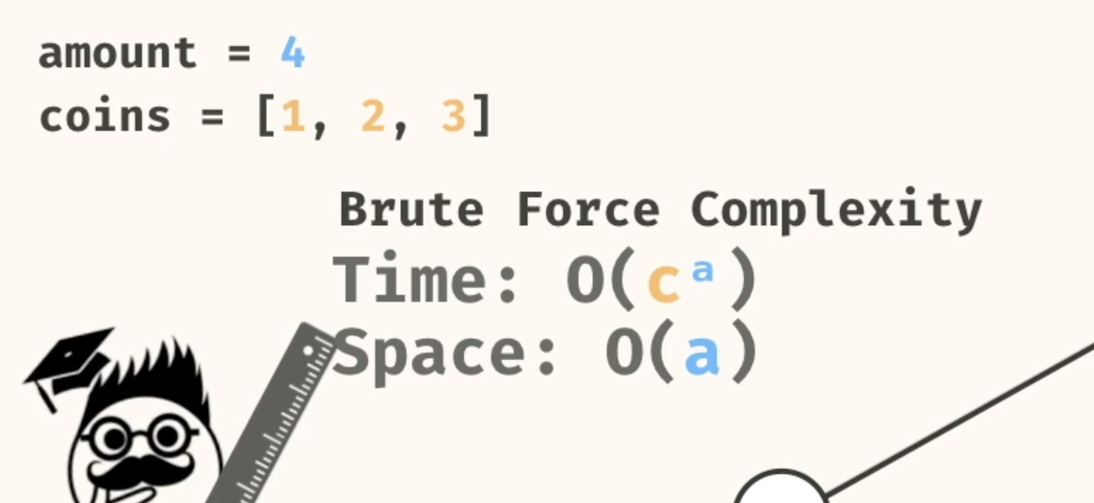
min change walk this one through again

Imagine the problem being the root of the problem
 | Imagine the base case being the leafs
 | Break down the problems until you can get to the leaf and determine the relationship to get back to the root
 | For each element added if it increases by to then it is 2^n…if it is

We only remove from the stack when somethings has returned!!!! Both for gaph and tree
memoization -> storing values in a memo

Array
Dynamic Programming is good when using an array to find a combinatino of numbers throughout the array(i.e which combination of numbers add up to x or y)
[MAYBE NOT FOR AN ARRAY]Which means you have to iterate through the loop…if a base case is met then that means a path was estacblished BUT it will still need to iterate through the other elements of the area in order to find best or if just true you return
Eeach iteration may bring back a value and when the full iteration is complete THIS IS WHEN IT BOTTOMS OUT AND RETURN AND THEN POSSIBLE PROVIDES A VALUE FOR THE ITERATION MOVING UP
EACH ITERATION CREATES A NEW LEG OF RESPONSE AND EACH RESPONSE GOES UP WHEN THE ITERATION IS COMPLETE TO BRING A VALUE HOME
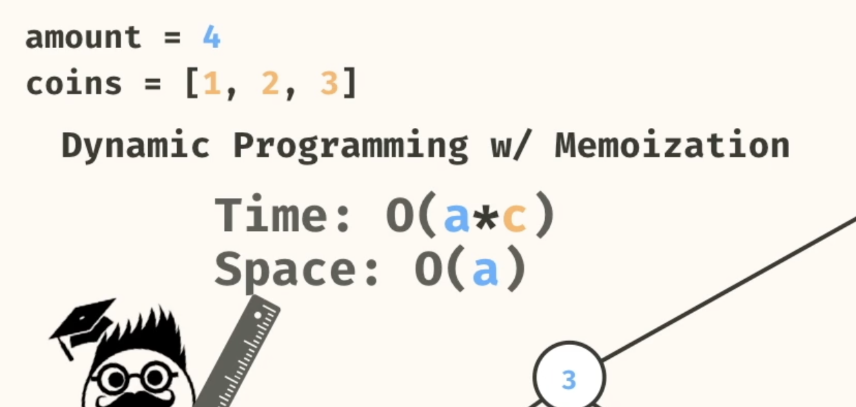
THERES AN INTERESTING SCOPINT THAT TAKES PLACE…ANY PARAMETER YOU HAVE UPPER OUTSIDE OF THE ITERATIVE SCOPE IS A PARENT VALUE SO YOU CAN USE IT AS A COMPARISON POINT FOR ALL THE RESULTS THAT’S WHY YOU CAN DO THAT
SOLUTIONS ARE GOING TO COME IN ONE BY ONE

Can't say this enough but when the iteration for a for loop completes that equates to all leaf being complete…the value aboce out that scope can be used to compare each leaf value

Draw a tree! Always!
Identifyy when the work for the array ends, if it's iterating through every index to build a relationship with current index the end point is the last index which means you'll probably need to send the start index after that you have to determine the relationship with the previous work don on the pervious endex. start small, always.

FOR AN ARRAY A LOOP MAY NOT BE NECESSARY || LET EACH SUB INEX SOLVE ITS OWN PROBLEM THEN YOU ADD SUBTRICAT APPEND…WHATEVER THE RELATIONSHIP CALLS FOR SO INSTEAD OF A TREE WITH BRANCHES YOU MIGHT HAVE A SINLE LINE TREE WHERE YOU DO SOMETHING WITH EACH SUM RESULT

Another approach with the array is creating subArray of each array and work your way up to the final array but this feels better when you expect the result to be a subarray…which makes sense because you want the edge case to return the same type

1. Look at the return type
2. break that shit down to its smallest
3. work your fucking way up

Looking For a combination of values?
 | A For loop reusing the same index until you hit zero or that value combination will give you the total count of non-unique values(repeated combinations but you will get all combinations
 | For non duplication, you take an index, iterate through the combinations by adding the same value and moving the pointer

FIND FOR THE EDGE CASE AND WORK YOUR WAY UP
 | Whats the relationship change that you are working on Example
 |  | Fib | For Fib the change is the index, when the index is increased you use n-1 and n-2 to find the value…then you store each index and move forward

